Table 1
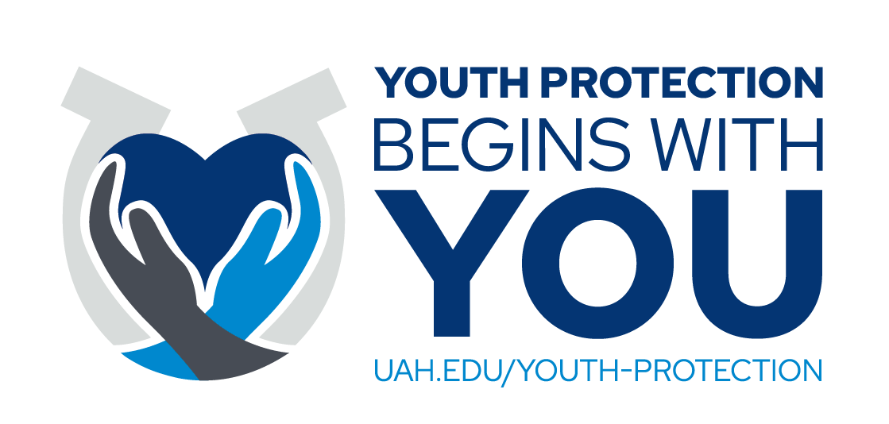
 |  | Youth Protection Program Staff Information Form
 |  | All Program Staff who will interact with youth must be listed below. This includes UAH Employees, UAH Students, Third-Party Employees, and Unpaid Volunteers.
 |  | If this is a UAH-Sponsored Program, please include A#s for all UAH students.
 |  | If this is a Third-Party Program, please include third-party contact information.
 |  | Contact information provided will be used to distribute training links and initiate background checks, and may be used in emergency situations.
 |  | Please email the completed form as an Excel file to youthprotection@uah.edu.
Name of Activity/Program:
Date(s) of Activity/Program:
Program Funding:
 |  |  |  |  |  |  |  |  |  |  |  |  |  | ORMC OFFICE USE ONLY
First Name | Middle Name or Initial | Last Name | A# (If UAH Student) | Email (ChargerID Email if UAH Program Staff) | Staff Type | Phone | International | Role(s) and Responsibilitie(s) | Session(s) (If Applicable) | Care/Custody or Support-Only | Approval | Background Check Completion Date | Training Completion Date | Date Mandatory Reporter Notice Sent | Date Training Link Sent | Maintenance | Notes

Example: John | B. | Doe | A1234567 | johndoe@uah.edu | UAH Student | 555-555-5555 | Yes | Math Tutor | Friday and Saturday Only | Care/Custody
Example: Jane | Anne | Doe | N/A | janedoe@email.com | Third Party Volunteer | 444-444-4444 | No | Program Assistant | N/A | Support-Only

 |  |  |  |  |  |  |  | `

